EVD_OPL 06-02
Test Case ID
Test Case Summary | Lakukan stop billing manual

Step # | Test Evidence | Re-Test Evidence (if found Bug/Issue)
1
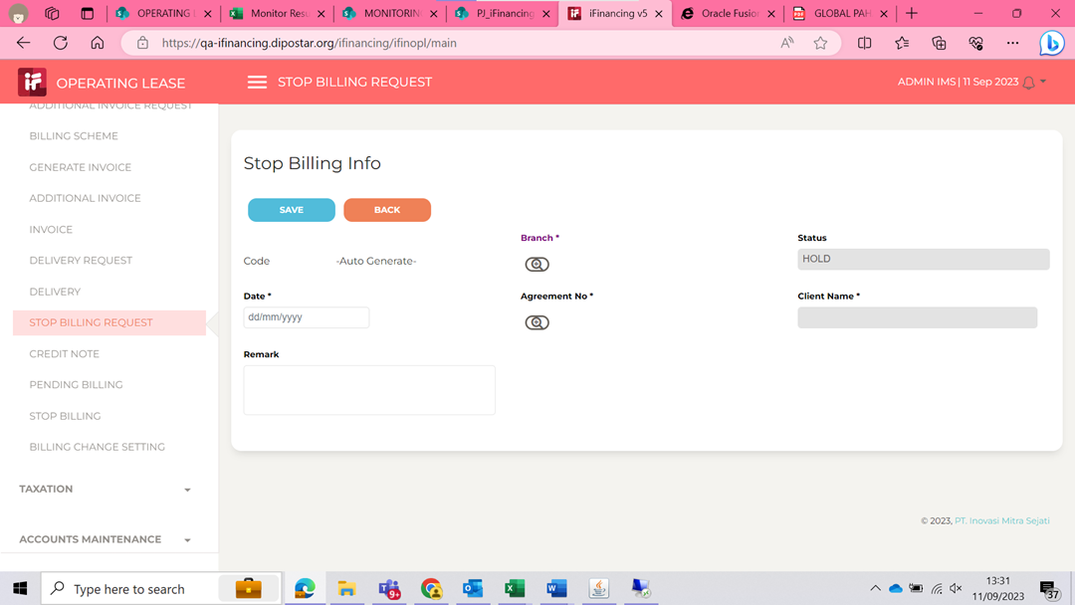

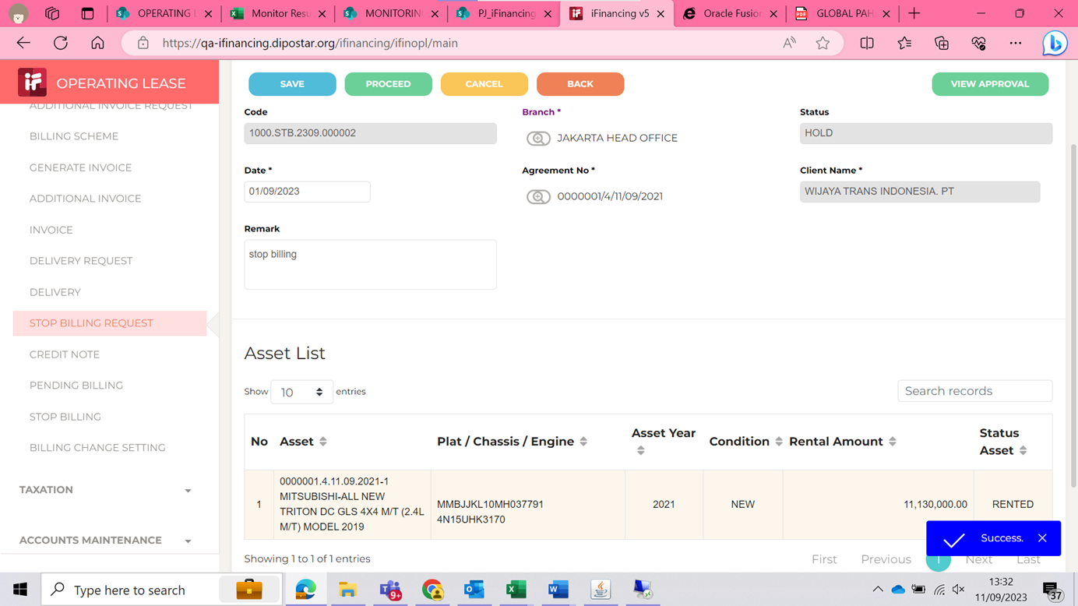
2

3
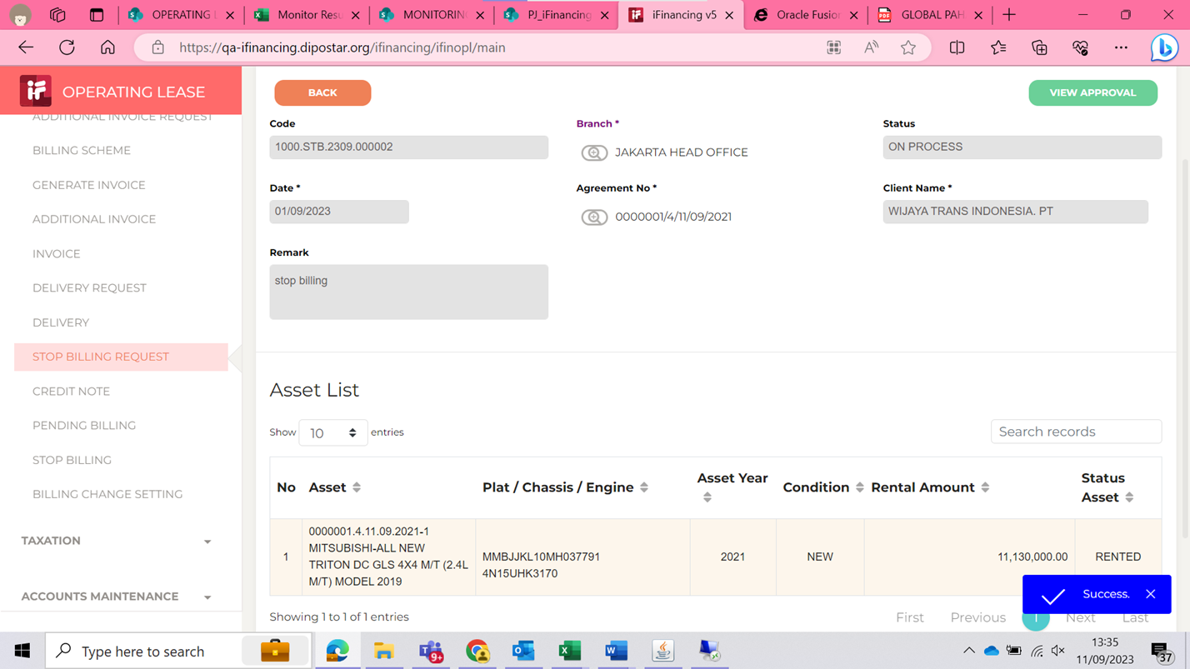

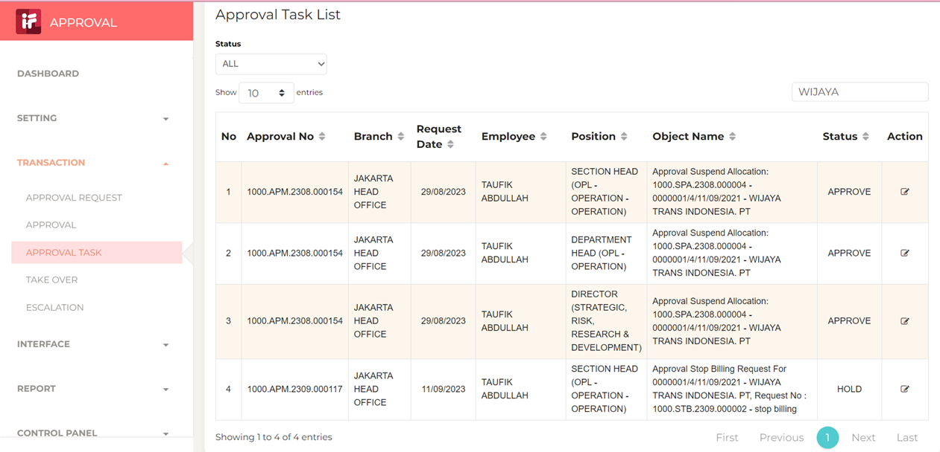
4

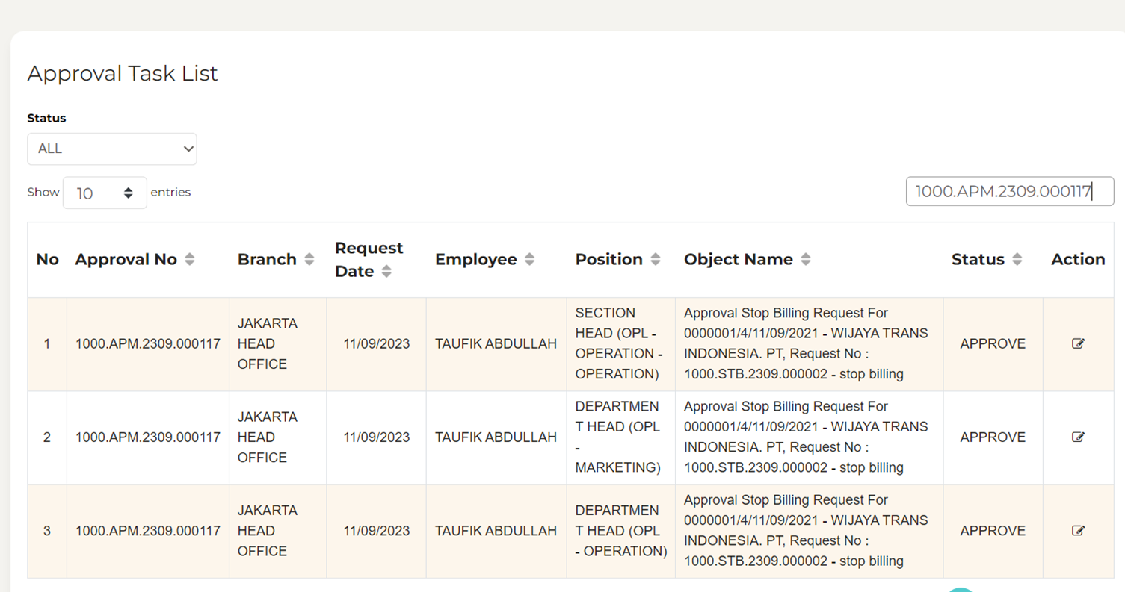
5

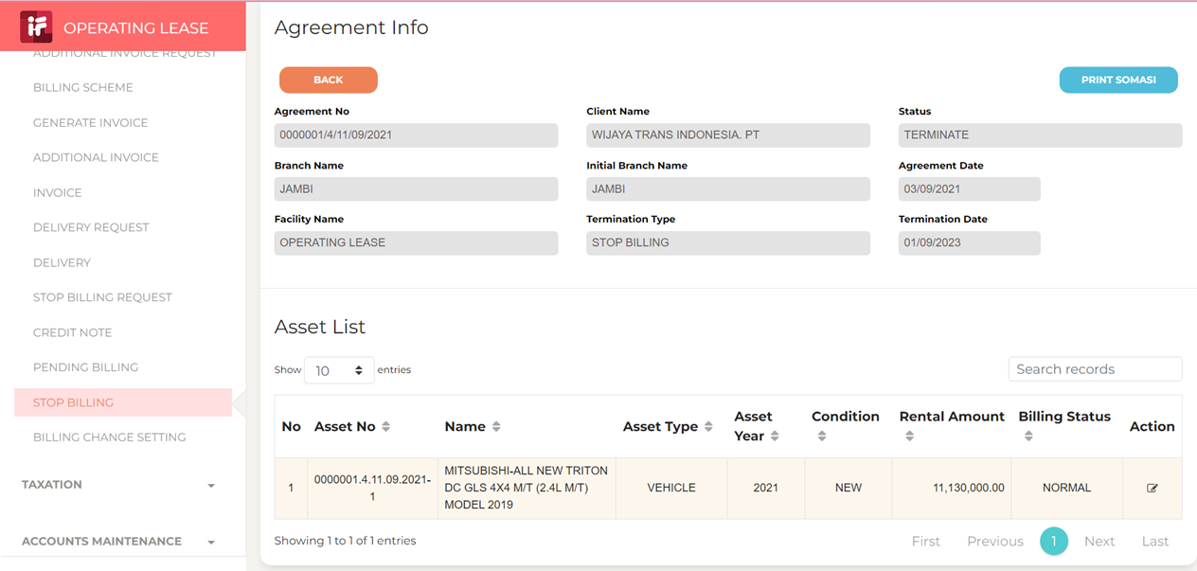
6

7

8

9

10

11

13

14

15

16

17

18

19

20

21

22

36

37

38

39

41

43

44

45

46

EVD_OPL 06-02 Oliv
Test Case ID
Test Case Summary | Lakukan stop billing manual

Step # | Test Evidence |  | Re-Test Evidence (if found Bug/Issue)
1
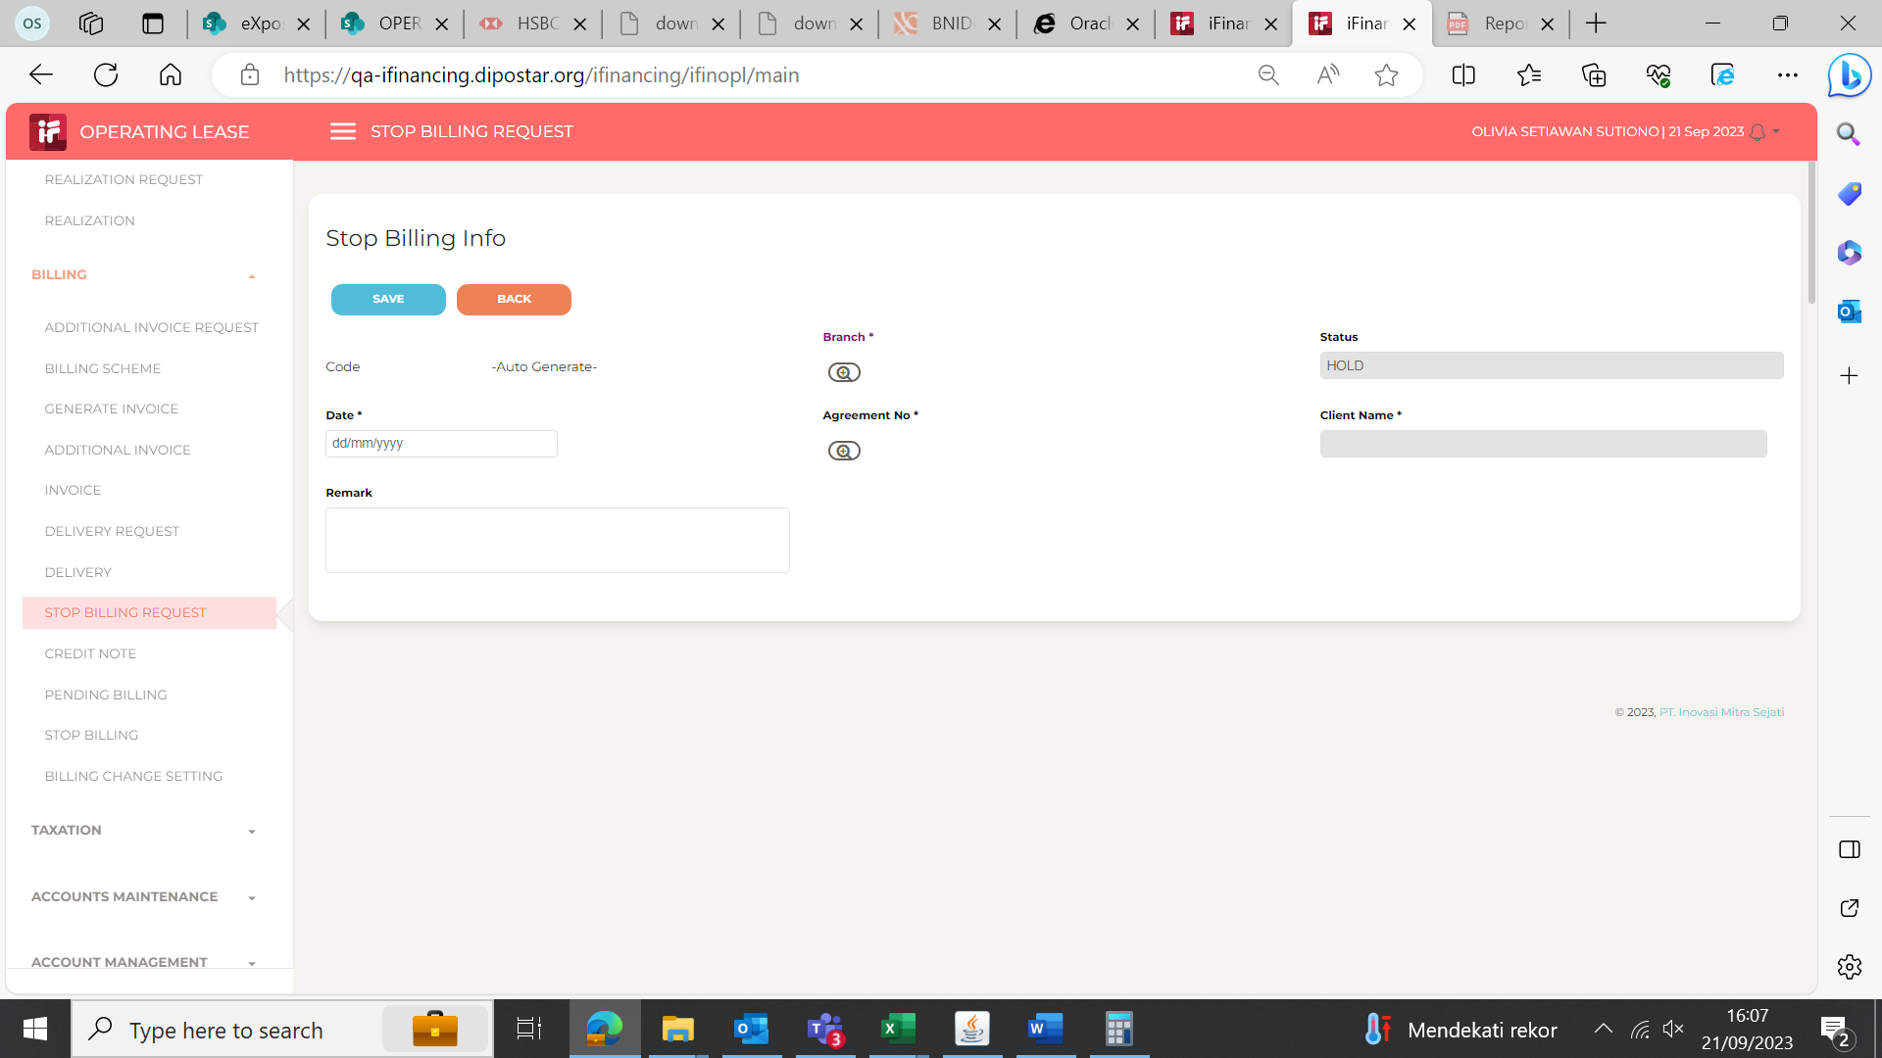

2
 |  | 0000362/4/08/07/2020

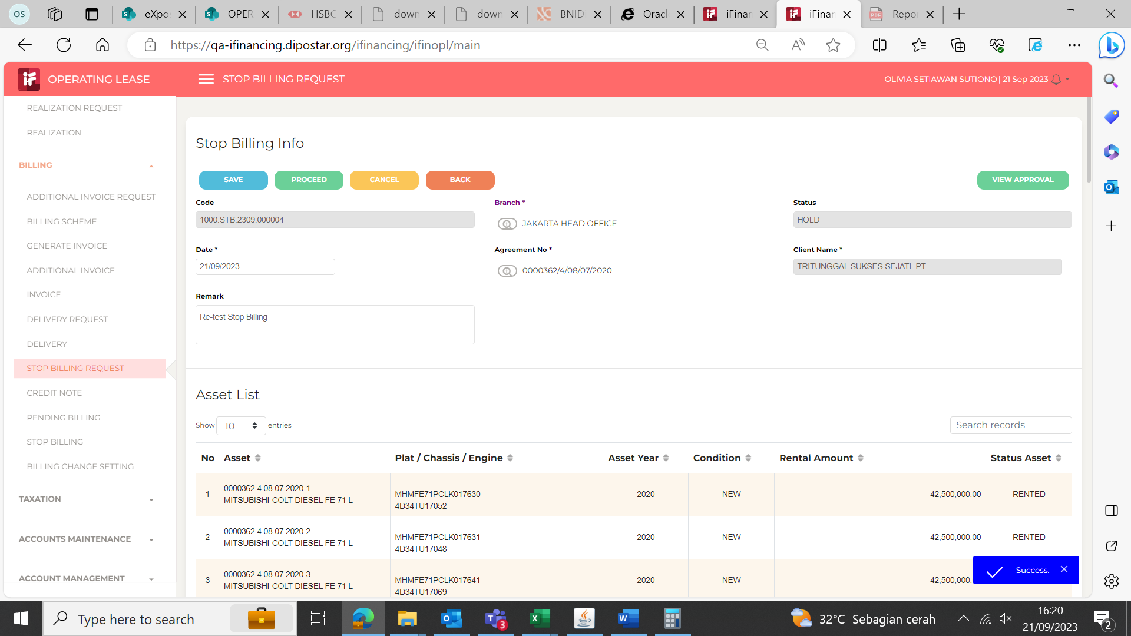

3
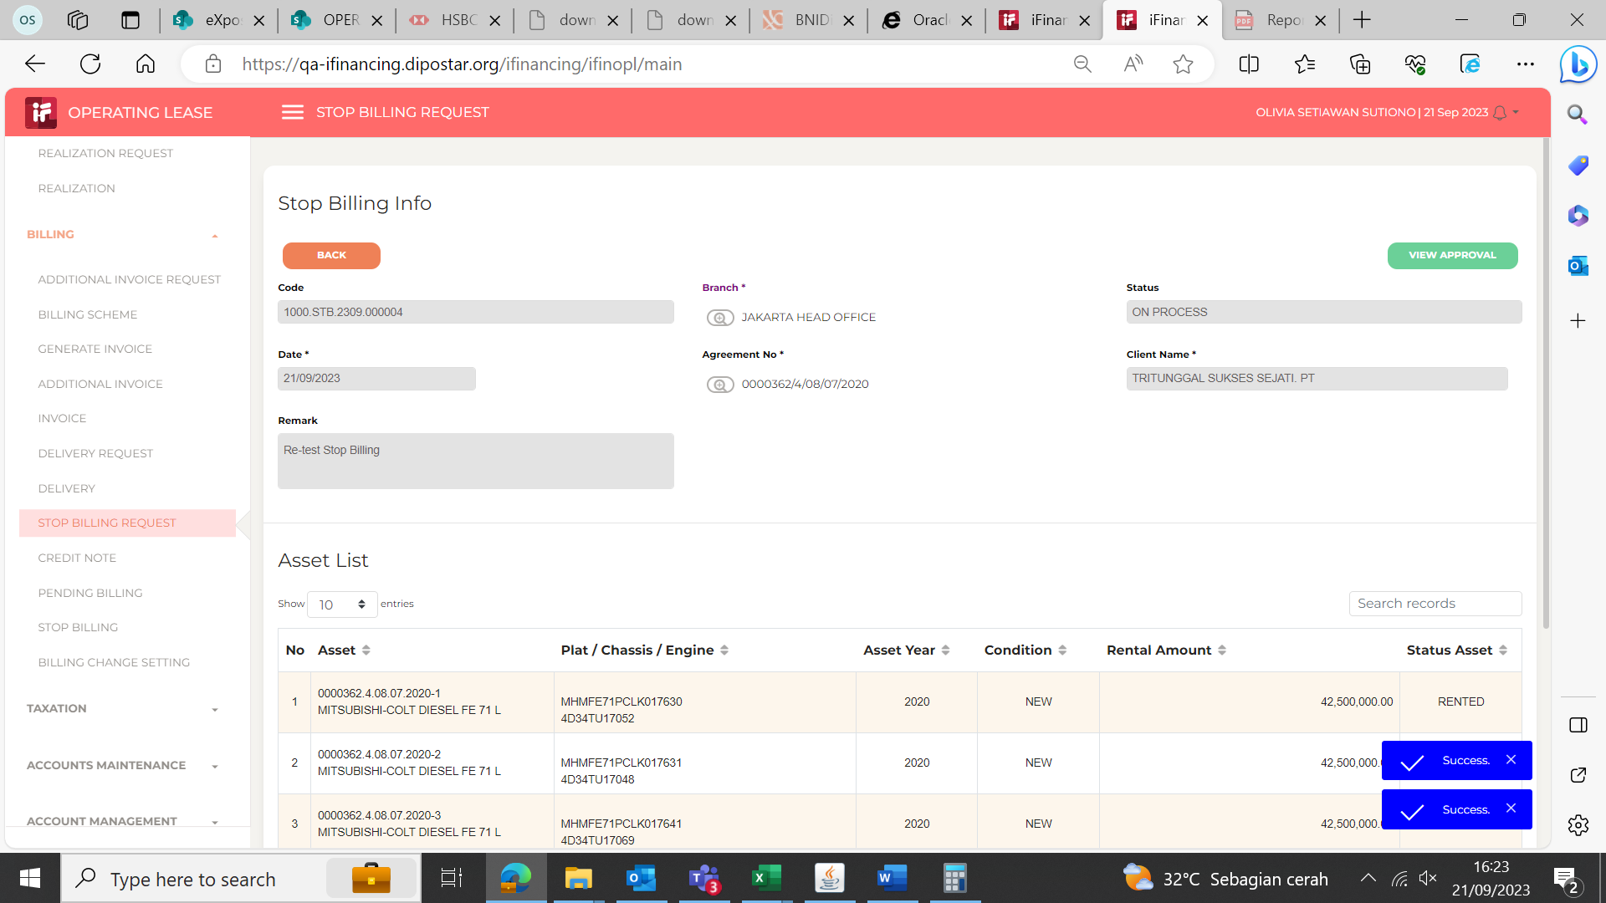

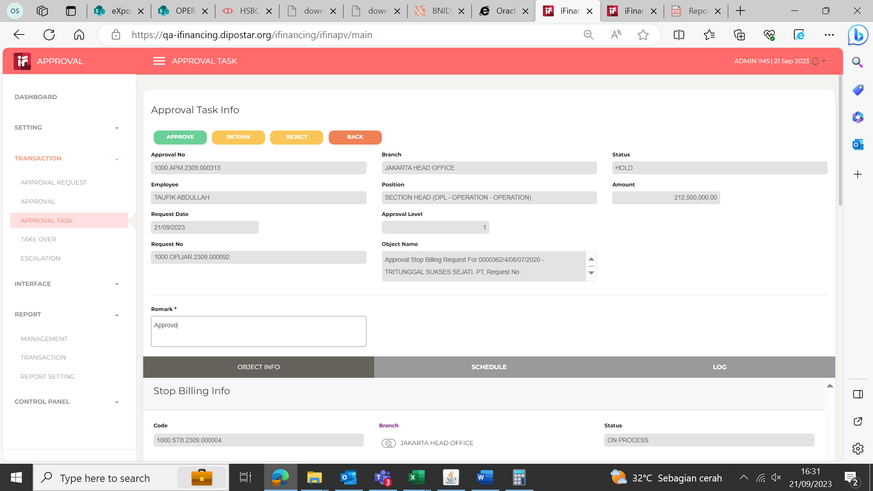
4

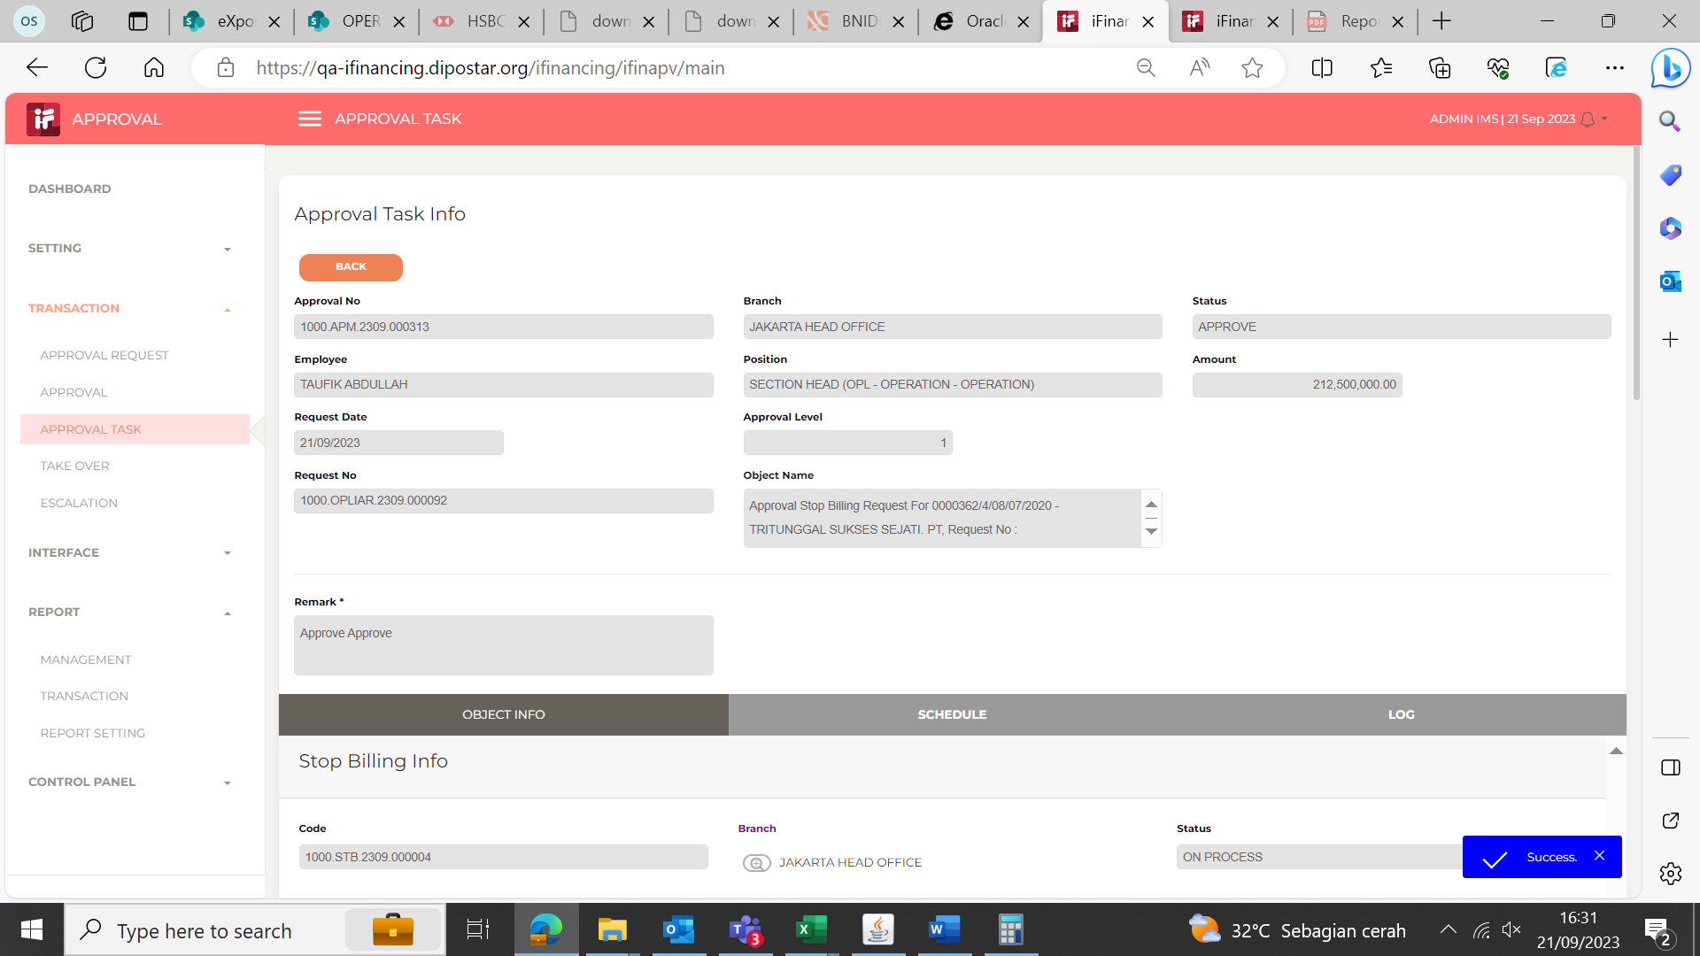
5
 |  | s


6
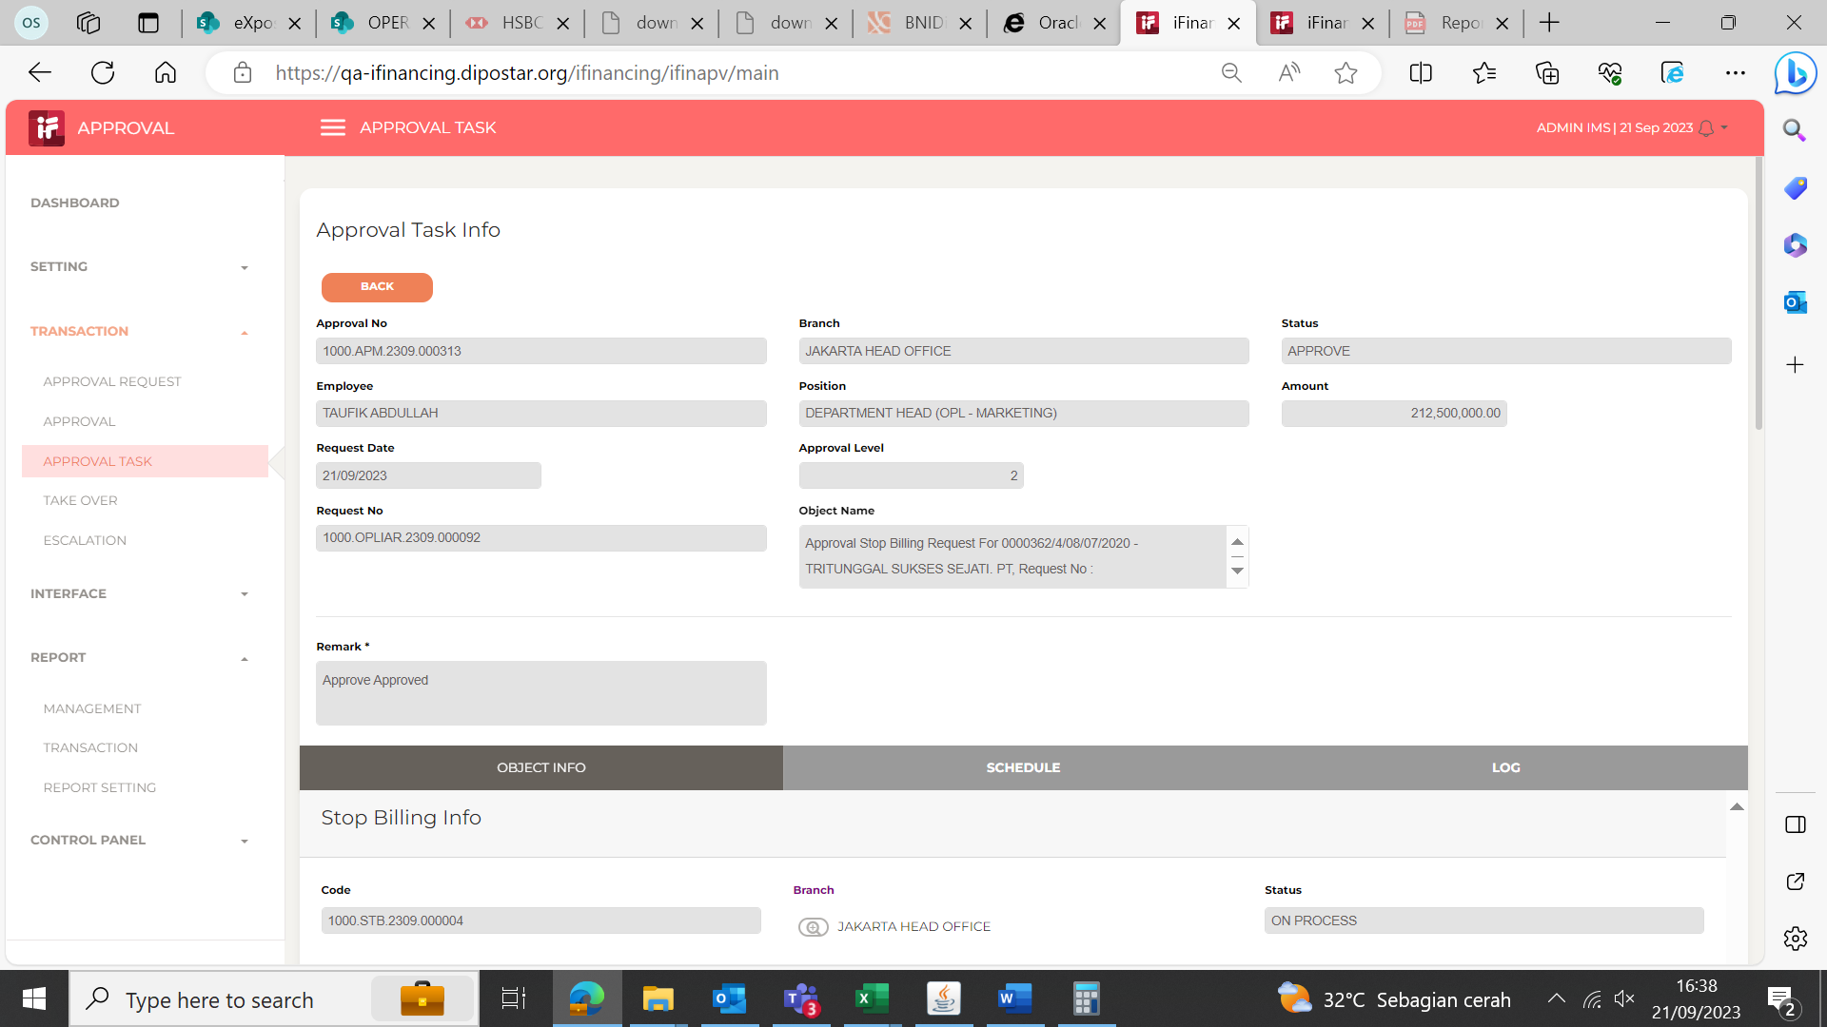

7
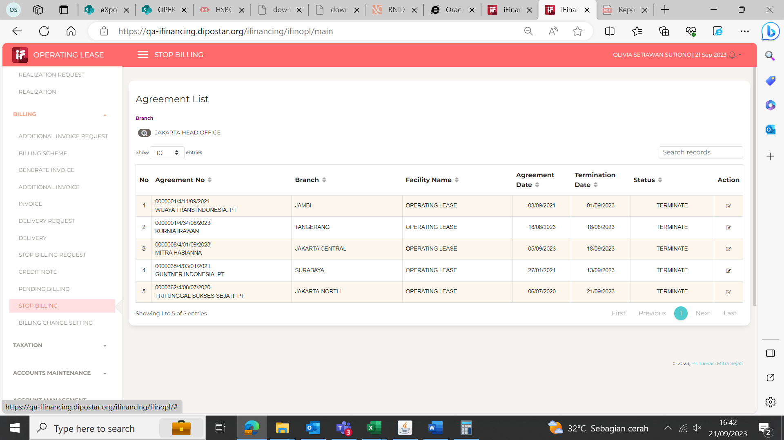

8
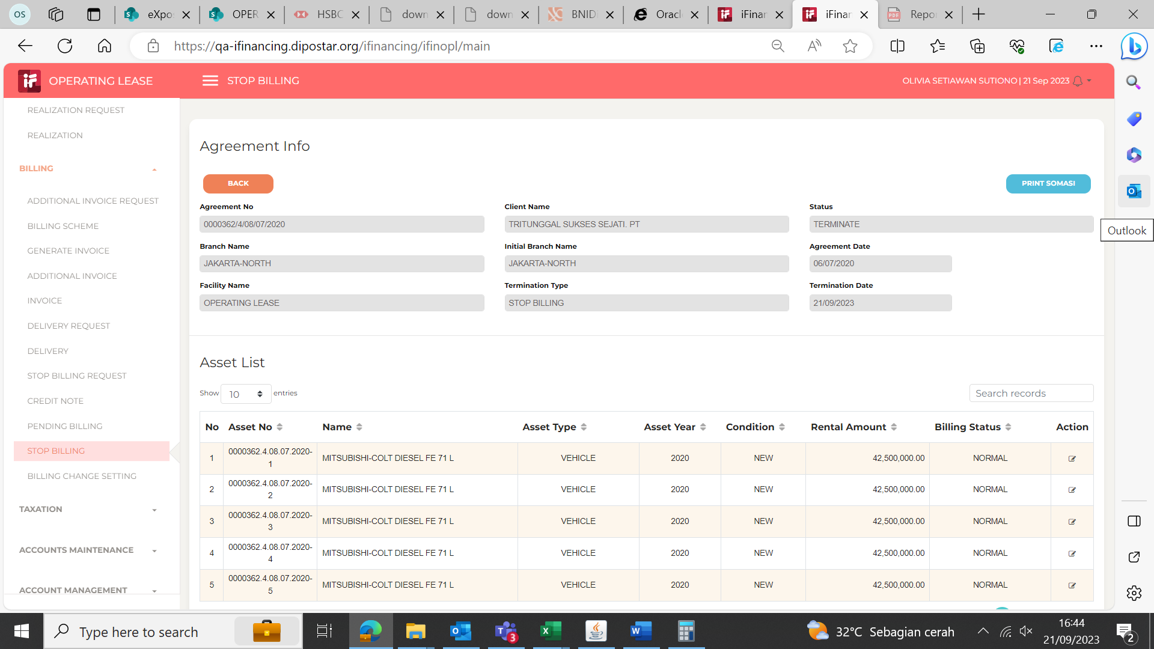

9
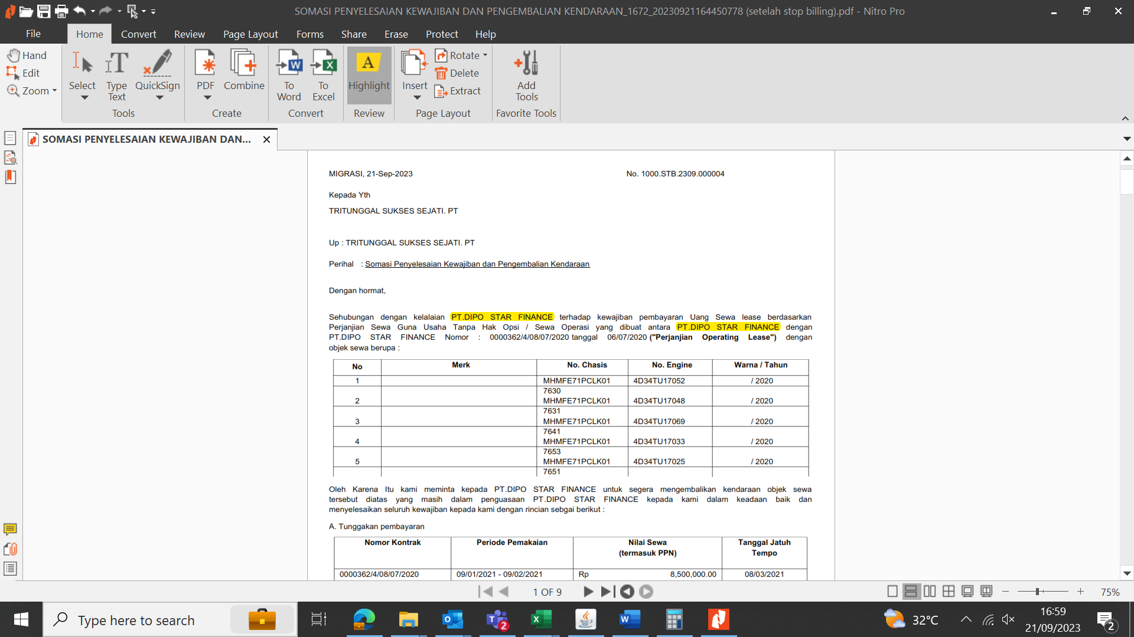

10

11

13

14

15

16

17

18

19

20

21

22

36

37

38

39

41

43

44

45

46

